1. Title Page
[Instacart Grocery Basket Analysis]

Project Name: Instacart Grocery Basket Analysis
Date: 02/23/2023
Analyst Name: Bridget Hale


Contents:

Population Flow
Consistency Checks
Wrangling Steps
Column Derivations
Visualizations
Recommendations

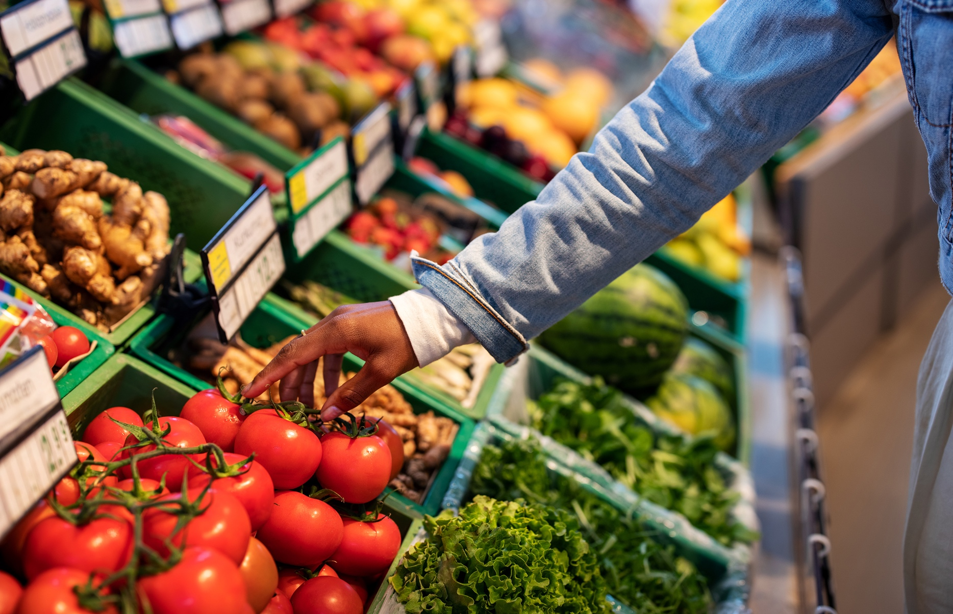
Data Source & Citations:

"The Instacart Online Grocery Shopping Dataset 2017"
Customer Dataset
Data Dictionary

Citation: “The Instacart Online Grocery Shopping Dataset 2017"

Accessed from https://www.instacart.com/datasets/grocery-shopping-2017 on <2022-2023>

2. Population Flow
Population Flow

Exclusion Flag
Condition: max_order < 5
Obervations to be removed: Cusomer's PII Info
2 Columns: (First name, Last name) 1,440,295 removals
Final total count of order_products_all: 30,964,564

Orders_products_combined
Orders_products_merged
Orders_products_all
Total: 32,404,859
Total: 32,434,489
Total: 30,964,564

1.) The grey boxes in the first row of the population flow represent the original data sets as they were when you downloaded them. In the Total fields you need to add the count of the rows when you imported the data set into Jupyter.
2.) The second row of boxes (coloured) represents the data sets after you manipulated them, e.g., removed missing values and duplicates. In the Total fields you need to add the count of the rows after conducting these operations. This offers a visual oveview of how the data flows throughout the data consistency checks.
3.) The third row, where also the arrows are coloured, represents the merges you performed between the datasets. In the Total fields you need to add the count of the rows in the merged datasets, so that you end up with the final dataset (in the red box). Keep in mind the final dataset should be without exclusions (based on the exclusion flag).

3. Consistency Checks
 |  |  |  | Title page
Consistency Checks

Dataset | Missing Values | Missing Values Treatment | Duplicates
orders | 206,209 missing values in 'days_since_prior_order' | Create new column 'new_customer' to show missing values are new customers | 0
products | 16 missing values in 'product_name' | Create new df without missing product names after removal, Max price in 'dfprods' = 99,999 for 2% milk, set as NaN | 5
orders_products_prior | 0 missing | N/A | 0
customers | 0 missing | N/A | 0

5. Column Derivations
In this tab you should add tables below that the frequences of flags/label variables that you produced after deriving them. NB: don't do this for continuous variables, only for flags.
Column Derivations and Aggregations

Dataset | New Column | Column/s It Was Derived From | Conditions
orders_products_merged.pkl | price-_range | prices | 'Low-range product' = <=5 'Mid-range product' >5 & <=15 'High-range' > 15 in $
orders_products_merged.pkl | busiest_day | orders_day_of_week | 'Busiest day' = 0 'Regularly busy' = else. 'Least busy' = 4
orders_products_merged.pkl | busiest_days | orders_day_of_week | 'two busiest days' = 0,1 'two slowest days' = 3,4 else: 'Regularly busy days'
orders_products_merged.pkl | busiest_period_of_day | order_hour_of_day | 'Most orders' = >=9 & <=17 'Fewest Orders' = <=6 else: 'Average Orders'
orders_products_merged_update.pkl | loyalty_flag | Grouped by 'user_id' + aggregated Max values from order_number | 'Loyal customer' = >40 'Regular customer' = <=40 & >10 'New customer' = <=10
orders_products_merged_update.pkl | spending_flag | Grouped by 'user_id' + aggregated Max values of prices | 'Low spender' = <10 'High spender' = >=10
orders_products_merged_update.pkl | order_freq_flag | Grouped by 'user_id' + aggregated by media of days_since_prior_order | 'Non-frequent custm' = >20 'Regular customer' = >10 & <=20 'Frequent custm' = <=10
orders_products_merged_3.pkl | updated merged dfs before customers | Grouped by orders_products_departments | 'Orders' 'Products' 'Departments'
df_ords_prods_custm.pkl | region | state | 'Northeast' : 'Maine', 'New Hampshire', 'Vermont', 'Massachusetts', 'Rhode Island', 'Connecticut', 'New York', 'Pennsylvania', 'New Jersey 'Midwest' : 'Wisconsin', 'Michigan', 'Illinois', 'Indiana', 'Ohio', 'North Dakota', 'South Dakota', 'Nebraska', 'Kansas', 'Minnesota', 'Iowa', 'Missouri' 'South' : 'Delaware', 'Maryland', 'District of Columbia', 'Virginia', 'West Virginia', 'North Carolina', 'South Carolina', 'Georgia', 'Florida', 'Kentucky', 'Tennessee', 'Mississippi', 'Alabama', 'Oklahoma', 'Texas', 'Arkansas', 'Louisiana' 'West' : 'Idaho', 'Montana', 'Wyoming', 'Nevada', 'Utah', 'Colorado', 'Arizona', 'New Mexico', 'Alaska', 'Washington', 'Oregon', 'California', 'Hawaii'
df_ords_prods_custm.pkl | exclusion flag | Max_order | if Max_order <5 = 'Low-activity' else 'High-activity'
high_activity_cxs_orders.pkl | profile | Columns: age, income, department_id, number_dependents, family_status & order_hour_of_day

6. Visualizations
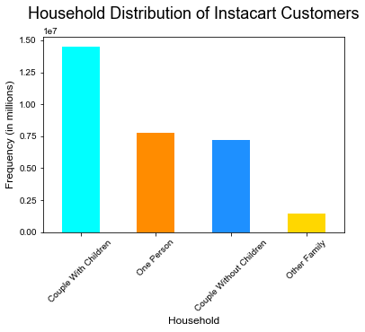
Visualizations

In this tab you should include all the visualtions from Exercises 4.9 and 4.10, alongside the questions from the project brief that they answer. Include any commentary on the relationship between different variables.

 | The sales team needs to know what the busiest days of the week and hours of the day are. (i.e., the days and times with the most orders) in order to schedule ads at times when there are fewer orders.

 | Findings: Saturday, Sunday & Friday (weekends 0,1 & 6) are the busiest days of the week.

 |  | 10:00 am - 3:00 pm are the busiest time of day for placing orders, with a sharp decline between 6:00 pm - 8:00 am the following day

 |  | Scheduling Ads for weekends may produce even more Friday- Sunday traffic. Team can also consider focusing on driving up advertizing during less busy times & days of the week

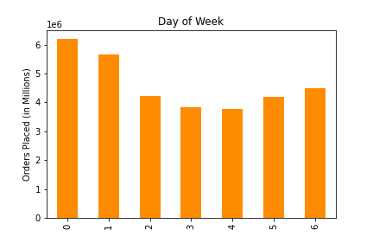
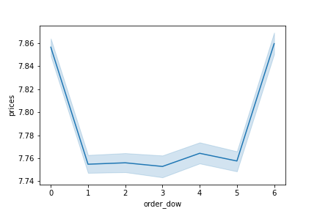
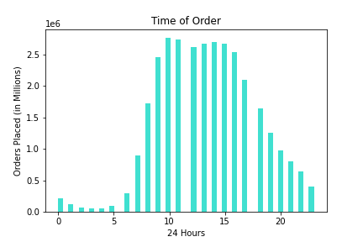
 |  |  |  |  |  |  | Spending Habits by Day of Week

 | The sales team also wants to know whether there are particular times of the day when people spend the most money as this might inform the type of products they advertise at these times.

 | Findings: High frequency orders with low expenditure are placed between 9:00 am - 5:00 pm
 |  | Low frequency orders with high expenditure are placed between 6:00 am - 8:00 am
 |  | There are 2 peak shopping times during the day, 12:00 pm & 9:00 pm *Need to inquire about products advertized at these times*
 |  | Based on Instacart customers order time habits:
 |  | Early Birds typically order between 5:00 am - 8:00 am
 |  | Regular customers typically order between 9:00 am - 11:00 pm
 |  | Night Owls typically order between 12:00 am - 4:00 am
 |  | The majority of orders come from Regular customers making up over 80% of all Instacart orders
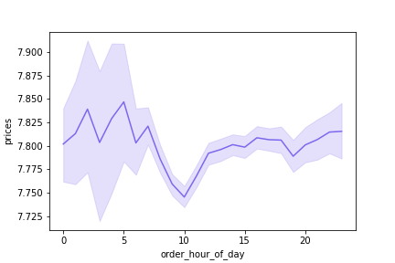
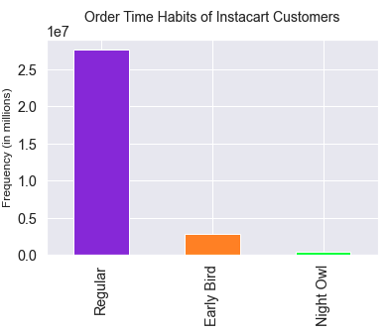
 |  |  |  |  |  |  | Spending Habits by Time of Day

 | ● Instacart has a lot of products with different price tags. Marketing and sales want to use simpler price range groupings to help direct their efforts.

 | Findings: Products were categorized into 3 different price groups: Low-range, Mid-range & High-range

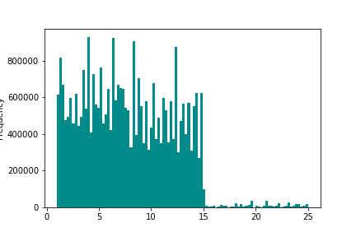
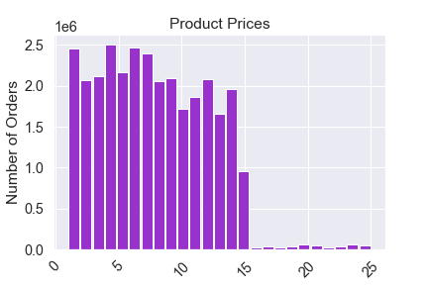
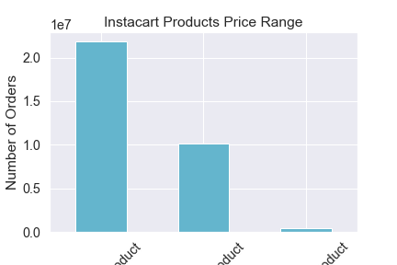
 |  |  |  |  |  |  | Frequency of Instacart Product Price

Regular Customers = most common customers
Loyal customers are the 2nd most common
followed by New customers as least common
Loyal customers tend to order every 3 days
Regular customers tend to order every 2 weeks
New customers are on pace to order like regular customers
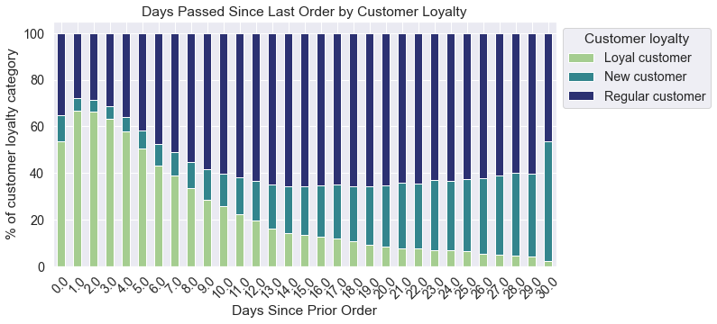

 |  |  |  | Mid-range

 |  |  | Mid-range |  | Low-range | High-range

The majority of products sold through Instacart Basket are considered
Mid-range & Low-range products
Low-priced products fall under $5 Most Sales = $1- $15 priced products Whereas Mid-ranged products range from $5- $15

 | Are there certain types of products that are more popular than others? The marketing and sales teams want to know which departments have the highest frequency of product orders

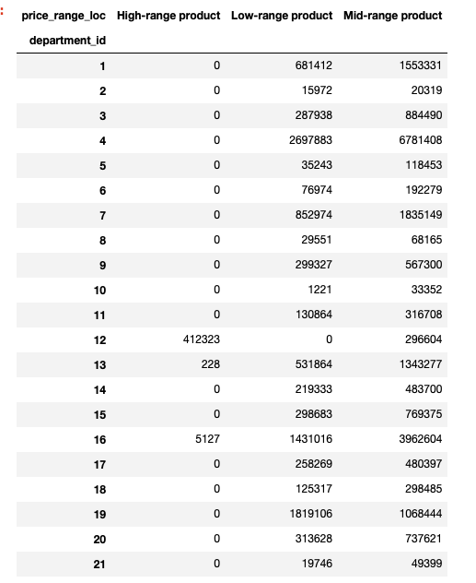

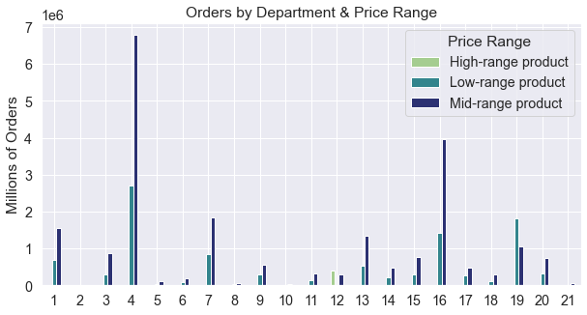
 |  |  |  |  |  |  |  |  |  |  | Department_id |  | Department
 |  |  |  |  |  |  |  |  |  |  | 1 |  | Frozen
 |  |  |  |  |  |  |  |  |  |  | 2 |  | Other
 |  |  |  |  |  |  |  |  |  |  | 3 |  | Bakery
 |  |  |  |  |  |  |  |  |  |  | 4 |  | Produce
 |  |  |  |  |  |  |  |  |  |  | 5 |  | Alcohol
 |  |  |  |  |  |  |  |  |  |  | 6 |  | International
 |  |  |  |  |  |  |  |  |  |  | 7 |  | Beverages
 |  |  |  |  |  |  |  |  |  |  | 8 |  | Pets
 |  |  |  |  |  |  |  |  |  |  | 9 |  | Dry goods, pasta
 |  |  |  |  |  |  |  |  |  |  | 10 |  | Bulk
 |  |  |  |  |  |  |  |  |  |  | 11 |  | Personal Care
 |  |  |  |  |  |  |  |  |  |  | 12 |  | Meat-Seafood
 |  |  |  |  |  |  |  |  |  |  | 13 |  | Pantry
 |  |  |  |  |  |  |  |  |  |  | 14 |  | Breakfast
 |  |  |  |  |  |  |  |  |  |  | 15 |  | Canned goods
 |  |  |  |  |  |  |  |  |  |  | 16 |  | Dairy Eggs
 |  |  |  |  |  |  |  |  |  |  | 17 |  | Household
 |  |  |  |  |  |  |  |  |  |  | 18 |  | Babies
 |  |  |  |  |  |  |  |  |  |  | 19 |  | Snacks
 |  |  |  |  |  |  |  |  |  |  | 20 |  | Deli
 |  |  |  |  |  |  |  |  |  |  | 21 |  | Missing
Instacart's most popular categories include
Produce, Dairy & Eggs, Snacks & Beverages
Instacart's most expensive category is Meat & Seafood, all products in this department are either
Mid-range or High-range priced items

 |  | Are there differences in ordering habits based on a customer’s loyalty status?

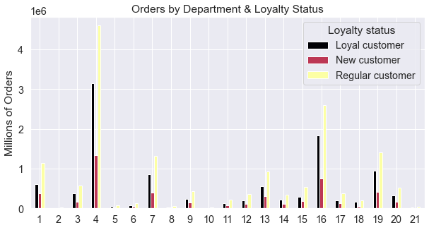

Regular customers order the most items per department
with the majority of items coming from Produce, then Dairy & Eggs and finally snacks
Loyal customers order 2nd most by department
Followed by New customers ordering the least amount of items by department

 | Are there differences in ordering habits based on a customer’s region ?
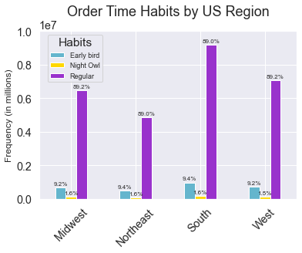

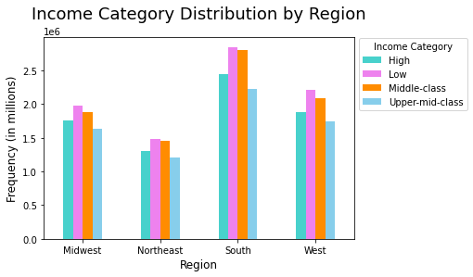

We can clearly see that Instacart customers from the South make up the most amount of Instacart users as well as vegetarians, followed by customers from the Mid-west Southern customers tend to be Regular customers in terms of ordering-time habits, they also tend to fall into the Low-income class

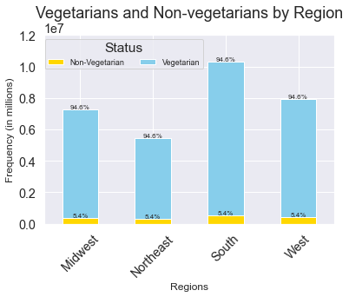

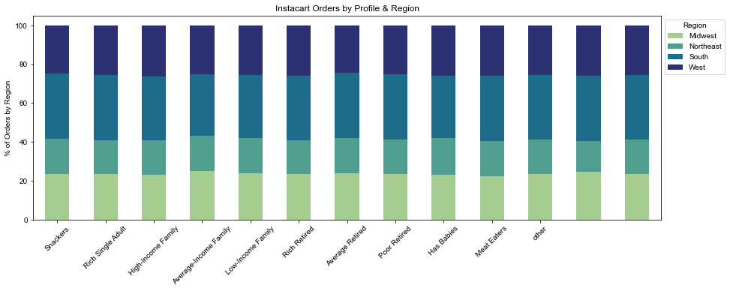

Is there a connection between age and family status in terms of ordering habits?

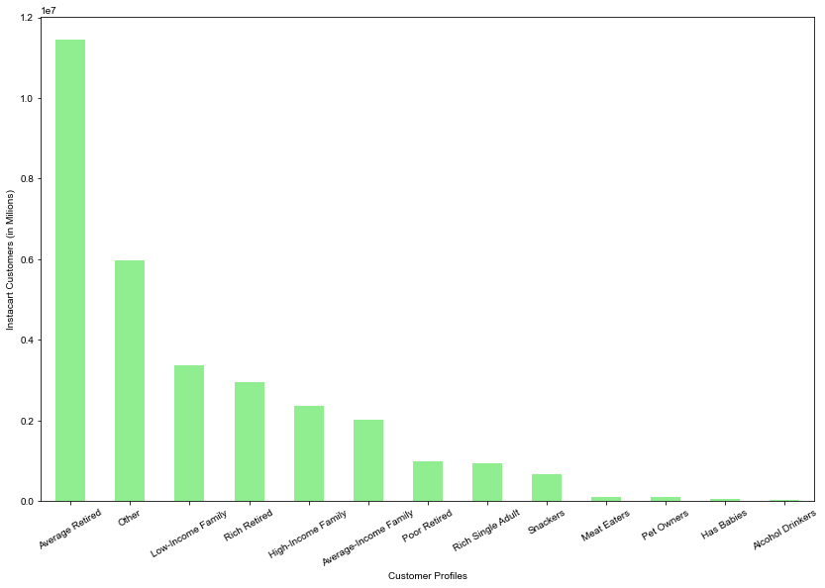
Average-retired customers are the most common instacart users
Middle-aged people tend to purchase the most items out of the 3 age groups
and tend to shop on the weekends

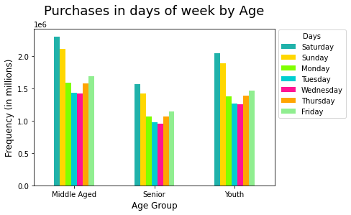

 | ● What different classifications does the demographic information suggest? Age? Income? Certain types of goods? Family status?

 | ● What differences can you find in ordering habits of different customer profiles? Consider the price of orders, the frequency of orders, the products customers are ordering, and anything else you can think of.

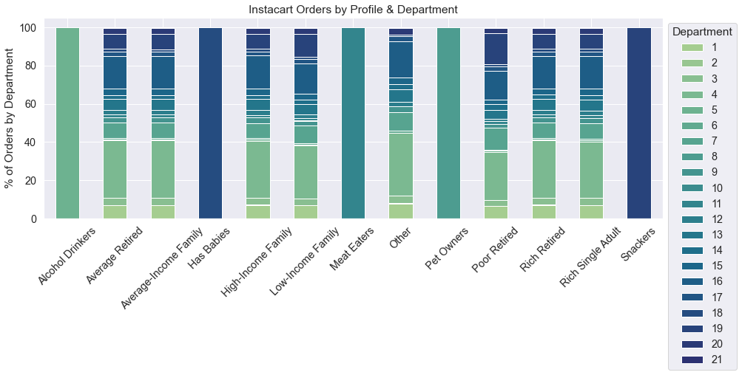

Meat Eaters, Pet Owners , Alcohol Drinkers, Families with babies & Snackers were all added into the original Departments.
Poor-retirees and Low-income families are slightly different from the rest of the profiles by department, by showing a difference in
increased purchasing of snacks and a decline of purchases in produce

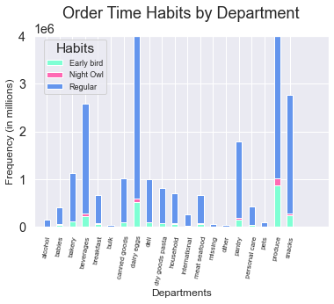

Instacart Family Status by US Region

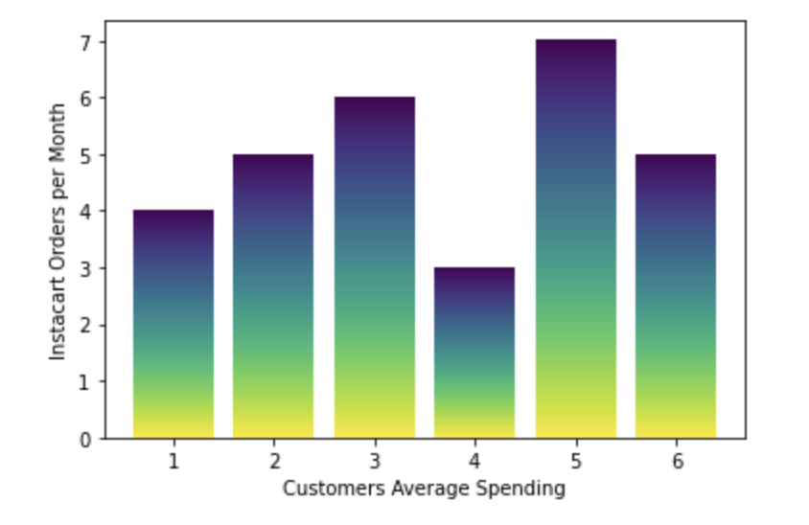
Regular shoppers make up the
majority of department sales
spending the most on produce,
dairy & eggs and snacks
Night owls order the 2nd most by departments
Early birds order the least by department

1.0
1.4%
Family Status
Has baby
No Baby
1.3%

0.8
1.3%
Frequency in Millions

0.6
1.3%
98.6%

0.4
98.7%
98.7%

Instacart customers with babies make up barely 1% of regional users.
98.7%
0.2

0.0

 |  |  |  |  |  |  |  | Midwest | Northeast | South |  | West

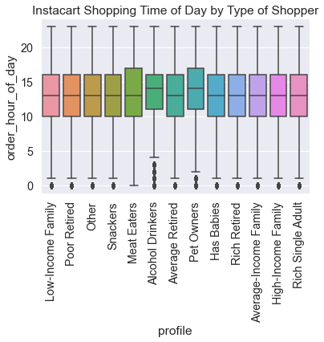

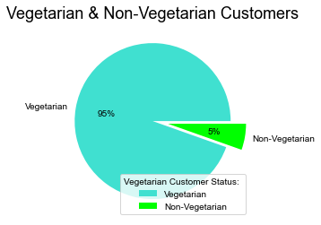

The majority of Instacart users are considered Vegetarian with only 5% listed as non-vegetarians.
Although many IC users dont have babies, Couples with children make up the majority of Houshold status of Instacart customers
The majority of customers order between 10:00 am & 3:00 pm, especially meat-eaters & pet owners

7. Recommendations
In this tab you should include any recommendations you would made to Instcart in terms of their marketing strategy based on the questions posed in the brief. Every key question has been covered in the Tasks of the Exercises - here you need to add an item - a visualisation or table/crosstable that is showing the answer in the data, acompanied by a comment from you. Please, list the questions below and add the answer underneath.

Recommendations

 | Questions |  | Answers

Q1. The sales team needs to know what the busiest days of the week and hours of the day are |  | The busiest days of the week are the weekends; Saturday, Sunday & Friday
(i.e., the days and times with the most orders) in order to schedule ads at times when there are fewer orders. |  | The busiest hour of the day for orders are between 10:00 am - 3:00 pm
They also want to know whether there are particular times of the day when people spend the most |  | Orders drop between 6:00 pm - 8:00 am
money, as this might inform the type of products they advertise at these times. |  | Weekday evenings, overnight & early morning slumps in orders *team should consider customer incentive*

 |  | High expenditure with low spending occurs in the early morning hours
 |  | between 6:00 am - 8:00 am
Q2. Instacart has a lot of products with different price tags. Marketing and |  | Low expenditure with high spending occurs during the daytime
sales want to use simpler price range groupings to help direct their efforts. |  | between 9:00 am - 5:00 pm

 |  | There are 2 peak shopping times 12:00 pm & 9:00pm
 |  | *Team should consider monopolizing this time for high-priced products*

Q3. Are there certain types of products that are more popular than others? |  | Products were categorized into 3 groups:
The marketing and sales teams want to know which departments have the |  | Low, Mid & High-range priced items.The Meat & Seafood department makes
highest frequency of product orders |  | up the highest percentage of high-range priced products (44% of high-range priced products)

 |  | Alcohol orders and Baby item orders make up the majority of Mid-range priced products
 |  | All other departments are considered mostly Low-range to Mid-range priced products

Q4. The marketing and sales teams are particularly interested in the different types of |  | Loyal cutomers are indeed that, 99% of them frequently place Instacart orders
 |  | Whereas only 56% of Regular & New customers frequently place orders
customers in their system and how their ordering behaviors differ. For example: |  | *Offering incentive like a coupon for their next order might encourage
 |  | Regular & New customers to order as frequently as Loyal customers*
● What’s the distribution among users in regards to their brand loyalty (i.e., how

often do they return to Instacart)?
● Are there differences in ordering habits based on a customer’s loyalty status?

Q5. ● Are there differences in ordering habits based on a customer’s region? |  | Southerners take the lead in all orders across the board, by spending, by departments
 |  | The South makes up the majority of Instacart customers followed by the Midwest
● Is there a connection between age and family status in terms of ordering habits? |  | Customers from the South tend to be regular shoppers & customers as far as loyalty
 |  | and ordering habits are concerned, however they tend to moslty fall into the
 |  | Low-income family category
 |  | *Team should consider advertising BOGOS (buy one get one) deals on high-range
 |  | priced items. The low-income family might purchase an item they might not normally
 |  | consider*

Q6. What different classifications does the demographic information suggest? Age? Income? |  | Middle-aged customers tend to purchase the most items per order & shop mostly on weekends
Certain types of goods? Family status? |  | However Average-retired customers are the most common IC users
 |  | *Team should consider appealing to senior citizens, perhaps with early bird specials during the week*

Q7. What differences can you find in ordering habits of different customer profiles? Consider the |  | Although less than 2% of Instacart users have babies, Customers with children
price of orders, the frequency of orders, the products customers are ordering, |  | make up the majority of IC customers by household status
and anything else you can think of |  | *Team should consider offering better deals on baby products, the demand is
 |  | there since there are so many users with children, yet parents are not
 |  | ordering baby items through Instacart*

